Sheet1
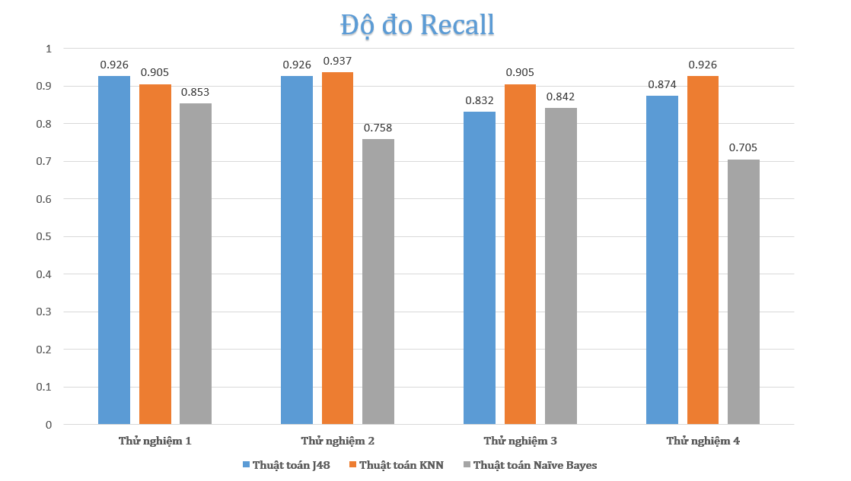
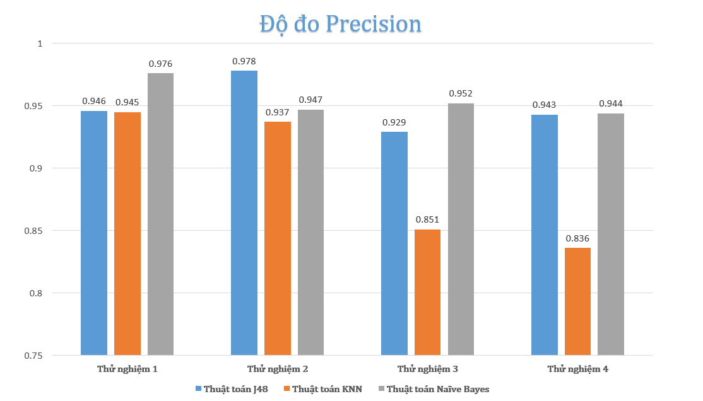
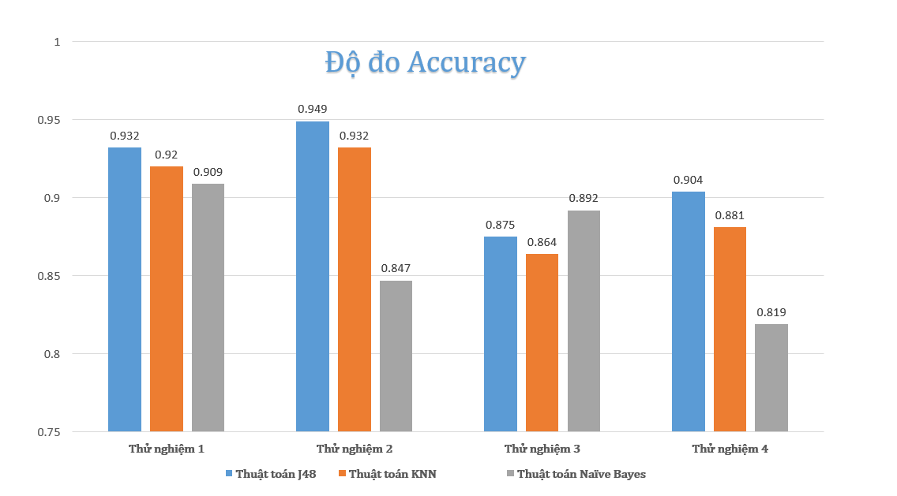
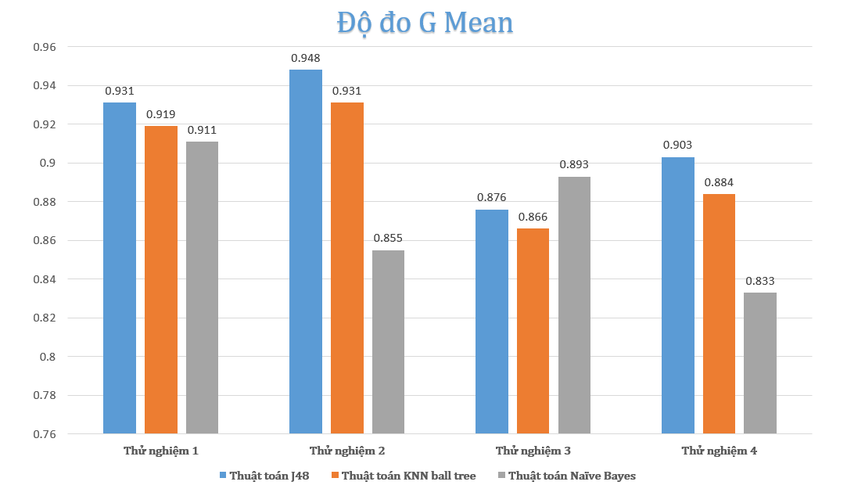
TN1 | Acc | Precision | Recall | G-mean | TN2 | Acc | Precision | Recall | G-mean
Naïve Bayes | 0.909 | 0.976 | 0.853 | 0.911 | Naïve Bayes | 0.847 | 0.947 | 0.758 | 0.855
KNN | 0.92 | 0.945 | 0.905 | 0.919 | KNN | 0.932 | 0.937 | 0.937 | 0.931
J48 | 0.932 | 0.946 | 0.926 | 0.931 | J48 | 0.949 | 0.987 | 0.926 | 0.948

TN3 | Acc | Precision | Recall | G-mean | TN4 | Acc | Precision | Recall | G-mean
Naïve Bayes | 0.892 | 0.952 | 0.842 | 0.893 | Naïve Bayes | 0.819 | 0.944 | 0.705 | 0.833
KNN | 0.864 | 0.851 | 0.905 | 0.866 | KNN | 0.881 | 0.863 | 0.926 | 0.884
J48 | 0.875 | 0.929 | 0.832 | 0.876 | J48 | 0.904 | 0.904 | 0.874 | 0.903

